Overall
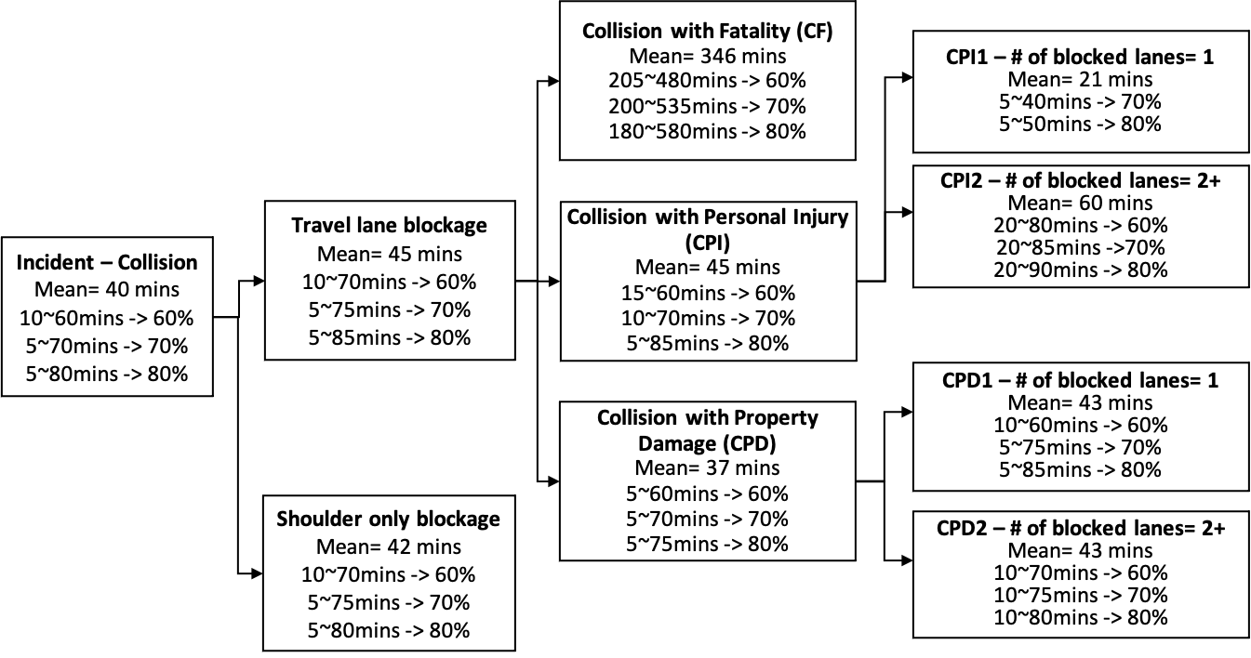

CPI-1
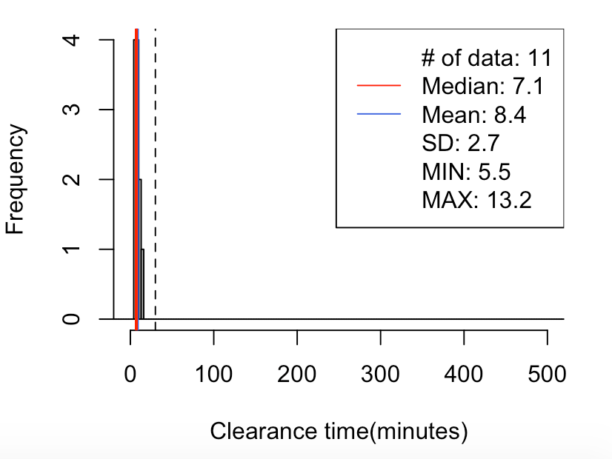
CPI-1 Lane-1
100% | 5-40

29// mean=8, median=7, SD=3, x=[6, 13], [-30, 30)-> 100%(11/11)
5% 10% 15% 20% 80% 85% 90% 95%
5.6 5.7 6.2 6.7 11.9 11.9 11.9 12.6

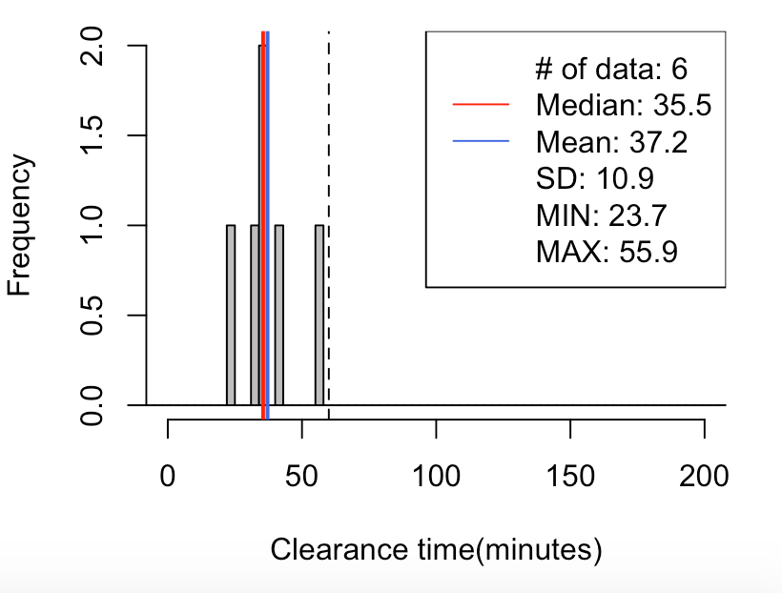

CPI-1 Lane-2
60% | 25-50
70% | 20-55
80% | 20-60
29// mean=37, median=36, SD=11, x=[24, 56], [-60, 60)-> 100%(6/6)
5% 10% 15% 20% 80% 85% 90% 95%
25.5 27.4 29.2 31.1 41.4 45.0 48.6 52.2

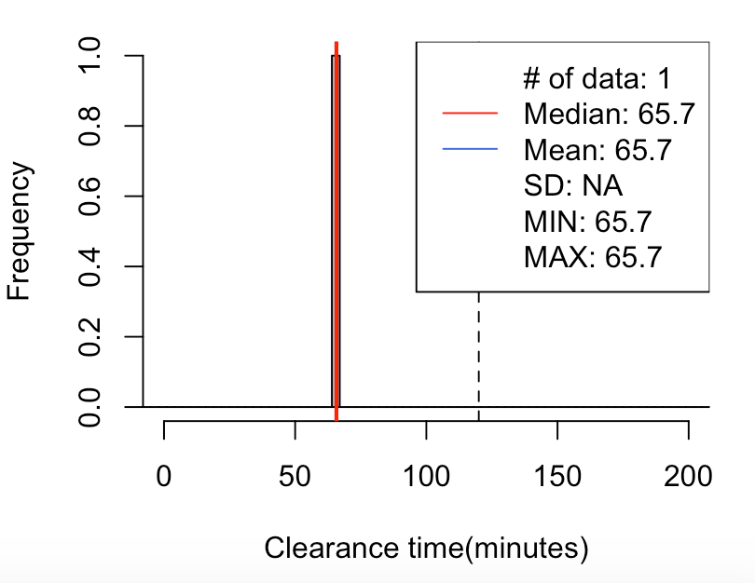

CPI-1 Lane-3
60% | 60-75
100% | 60-120

29// mean=66, median=66, SD=NA, x=[66, 66], [-120, 120)-> 100%(1/1)
5% 10% 15% 20% 80% 85% 90% 95%
65.7 65.7 65.7 65.7 65.7 65.7 65.7 65.7

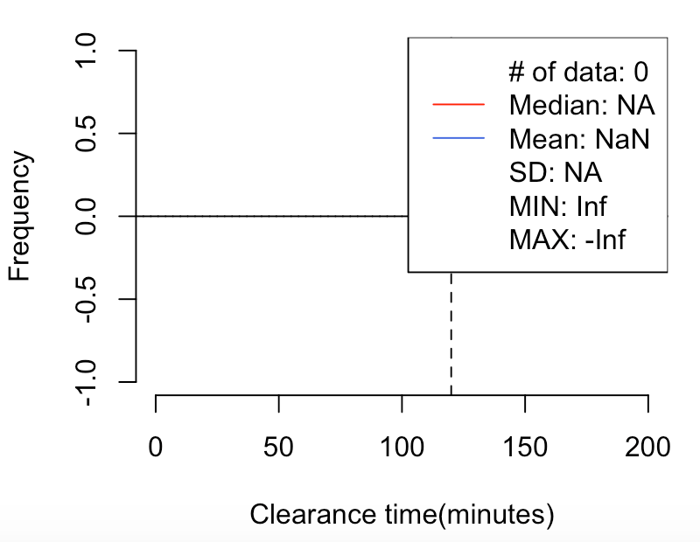

CPI-1 Lane-4
100% | >120

29// mean=NaN, median=NA, SD=NA, x=[Inf, -Inf], [120, 1200)-> NaN%(0/0)

CPI-2
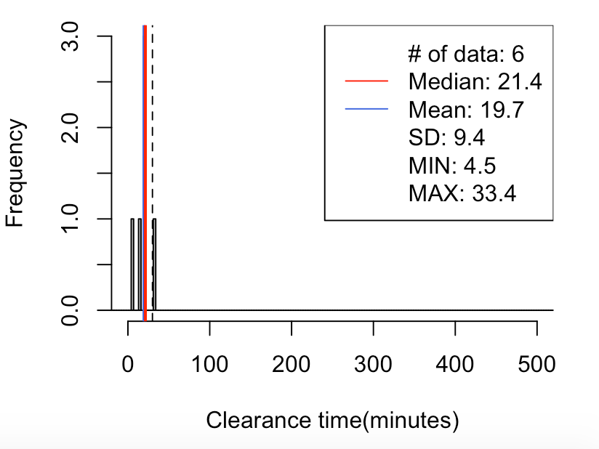
CPI-2 Lane-1
60% | 10-40
70% | 5-40
80% | 5-45
29// mean=20, median=21, SD=9, x=[4, 33], [-30, 30)-> 83%(5/6)
5% 10% 15% 20% 80% 85% 90% 95%
7.3 10.1 12.8 15.6 21.7 24.6 27.6 30.5

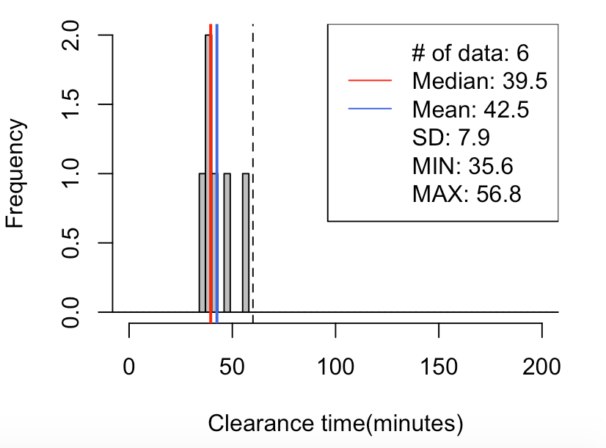
CPI-2 Lane-2
70% | 30-55
80% | 30-60

29// mean=43, median=40, SD=8, x=[36, 57], [-60, 60)-> 100%(6/6)
5% 10% 15% 20% 80% 85% 90% 95%
36.0 36.4 36.8 37.2 46.6 49.2 51.7 54.2

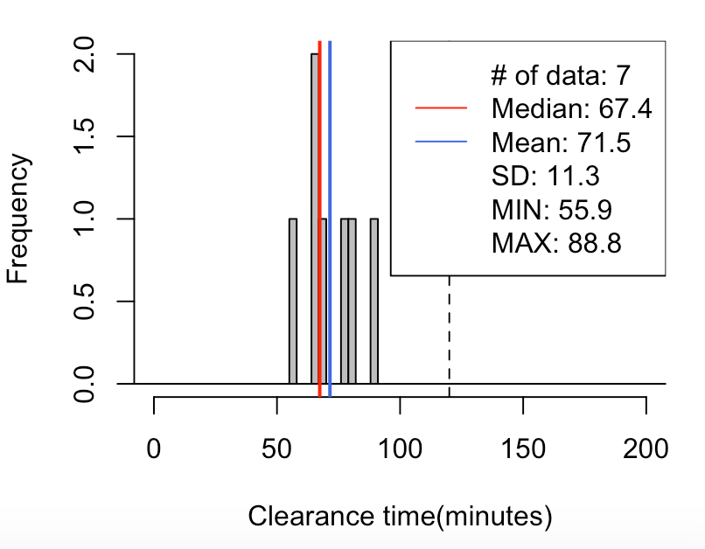

CPI-2 Lane-3
70% | 60-90
80% | 60-120

29// mean=72, median=67, SD=11, x=[56, 89], [-120, 120)-> 100%(7/7)
5% 10% 15% 20% 80% 85% 90% 95%
58.4 60.9 63.4 64.7 80.8 82.6 84.7 86.8

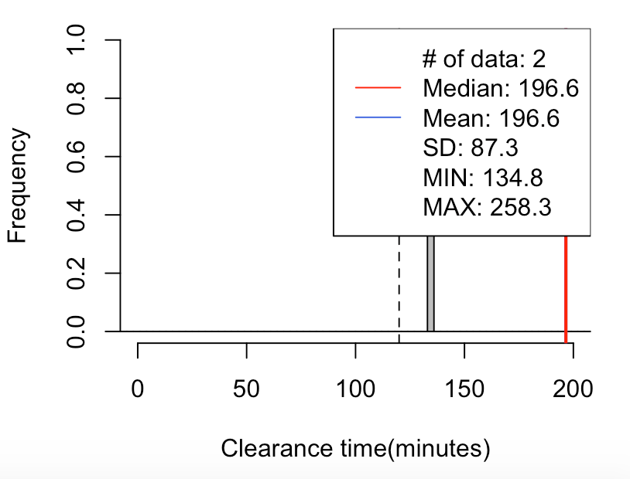

CPI-2 Lane-4
100% | >120

29// mean=197, median=197, SD=87, x=[135, 258], [120, 1200)-> 100%(2/2)
5% 10% 15% 20% 80% 85% 90% 95%
141.0 147.2 153.4 159.5 233.6 239.8 246.0 252.1

CPD-1
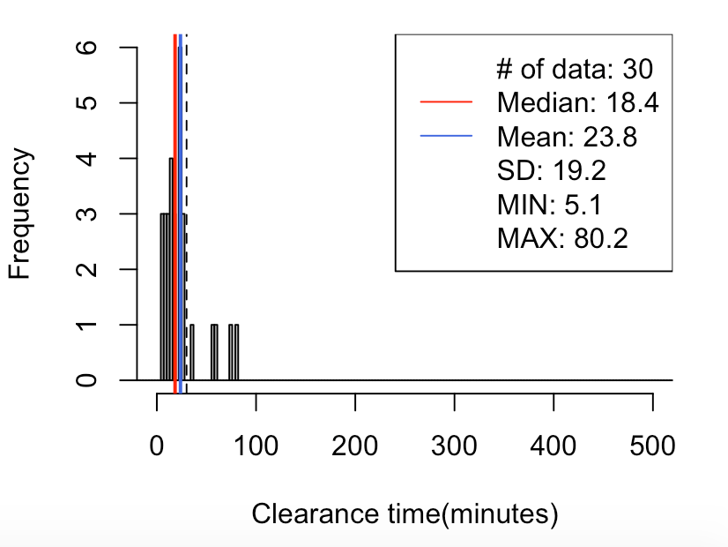
CPD-1 Lane-1
60% | 5-40
70% | 5-45
80% | 5-60
29// mean=24, median=18, SD=19, x=[5, 80], [-30, 30)-> 83%(25/30)
5% 10% 15% 20% 80% 85% 90% 95%
6.4 8.1 9.6 10.6 25.5 31.4 56.7 67.4

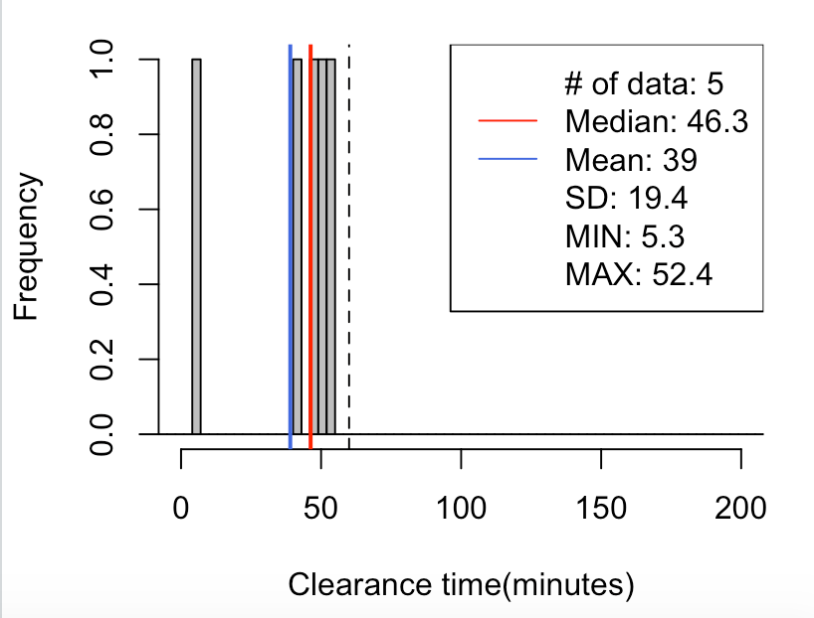
CPD-1 Lane-2
60% | 25-60
70% | 20-60
80% | 15-60
29// mean=39, median=46, SD=19, x=[5, 52], [-60, 60)-> 100%(5/5)
5% 10% 15% 20% 80% 85% 90% 95%
12.3 19.3 26.3 33.3 51.1 51.4 51.7 52.1

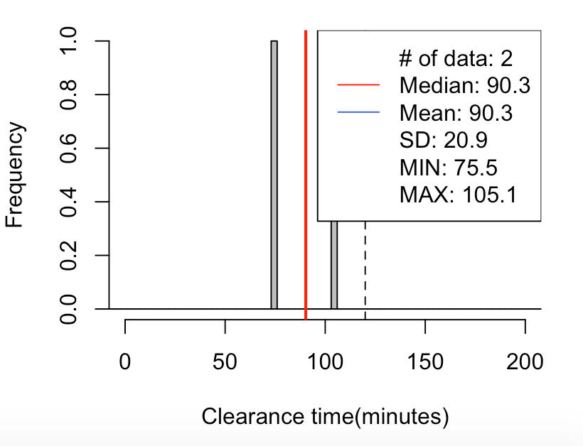

CPD-1 Lane-3
60% | 75-105
70% | 70-110
80% | 60-120
29// mean=90, median=90, SD=21, x=[75, 105], [-120, 120)-> 100%(2/2)
5% 10% 15% 20% 80% 85% 90% 95%
77.0 78.5 79.9 81.4 99.2 100.6 102.1 103.6

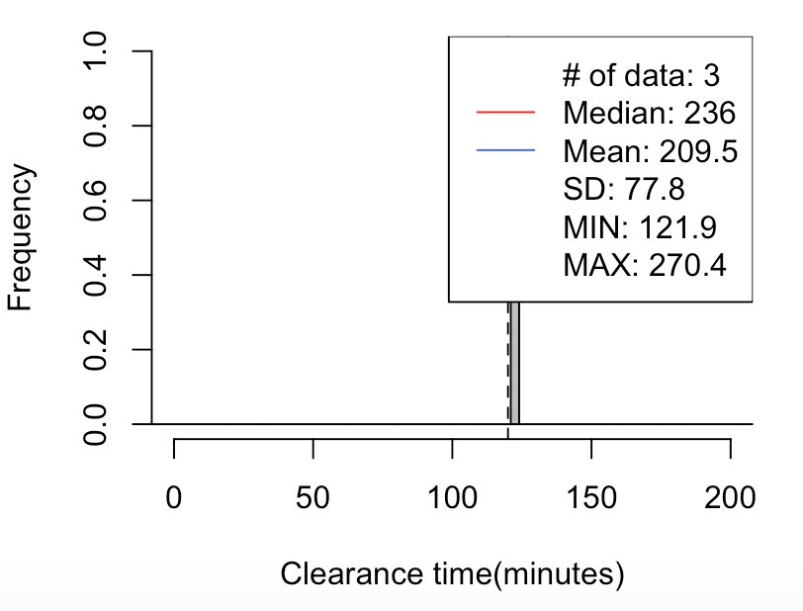

CPD-1 Lane-4
100% | >120
29// mean=209, median=236, SD=78, x=[122, 270], [120, 1200)-> 100%(3/3)
5% 10% 15% 20% 80% 85% 90% 95%
133.3 144.7 156.1 167.5 256.7 260.1 263.6 267.0

CPD-2
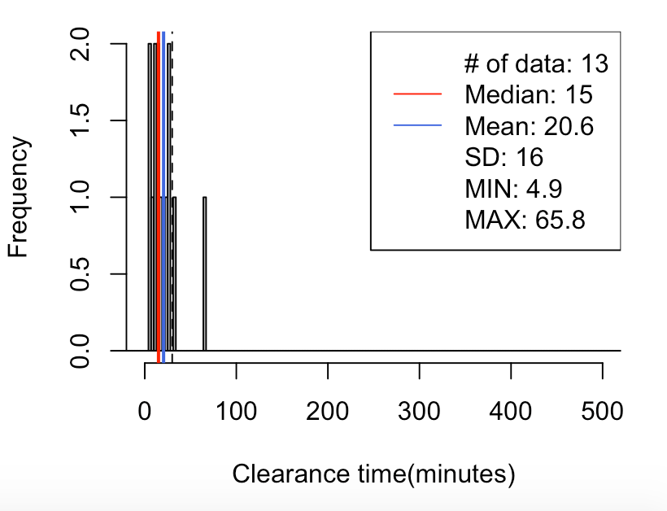
CPD-2 Lane-1
70% | 5-40
80% | 5-45

29// mean=21, median=15, SD=16, x=[5, 66], [-30, 30)-> 85%(11/13)
5% 10% 15% 20% 80% 85% 90% 95%
6.0 7.3 9.3 10.7 26.5 28.0 32.0 46.4

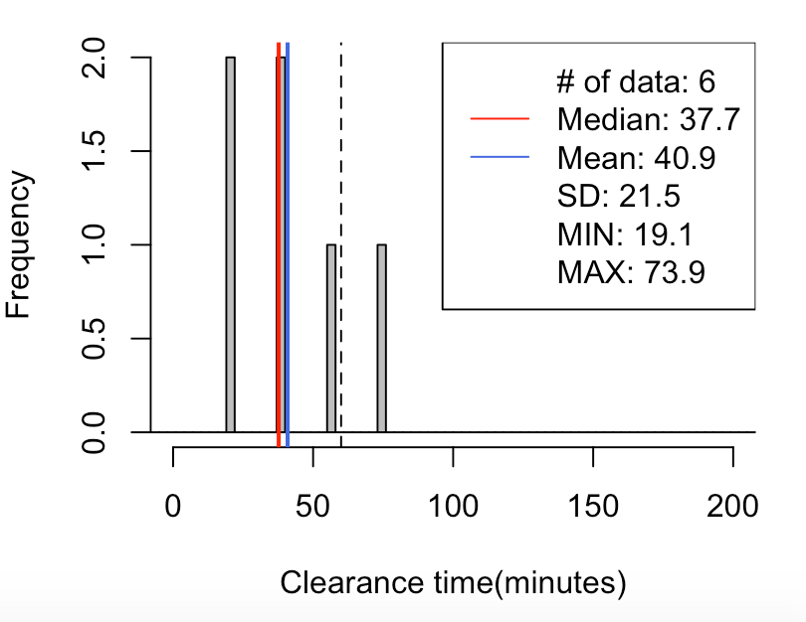
CPD-2 Lane-2
60% | 15-65
70% | 15-70
80% | 15-85
29// mean=41, median=38, SD=22, x=[19, 74], [-60, 60)-> 83%(5/6)
5% 10% 15% 20% 80% 85% 90% 95%
19.2 19.2 19.3 19.4 57.5 61.6 65.7 69.8

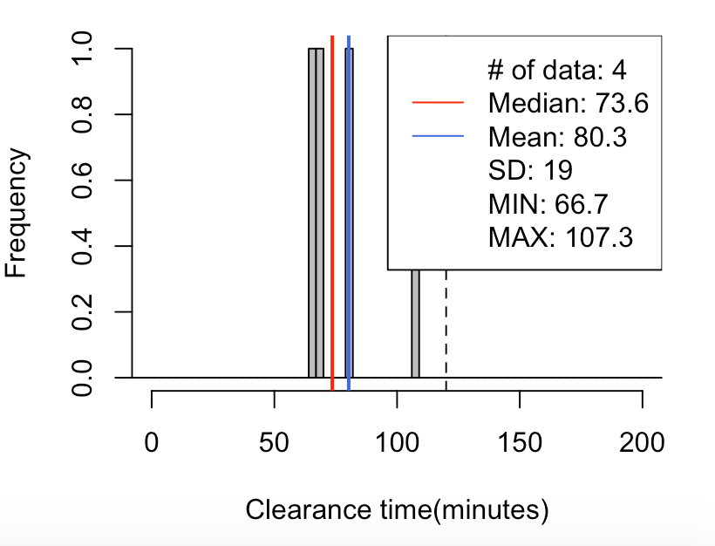
CPD-2 Lane-3
60% | 60-100
70% | 60-105
80% | 60-120
29// mean=80, median=74, SD=19, x=[67, 107], [-120, 120)-> 100%(4/4)
5% 10% 15% 20% 80% 85% 90% 95%
66.8 66.9 67.0 67.1 90.8 94.9 99.1 103.2

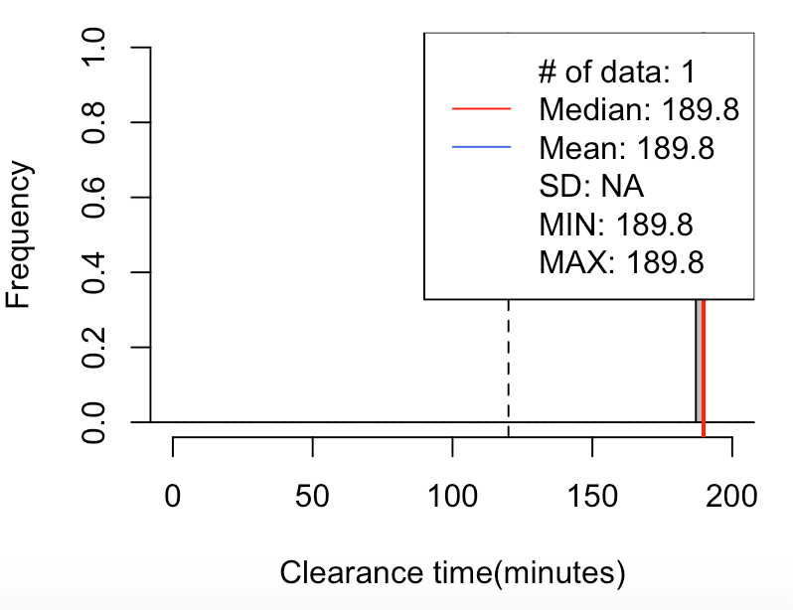

CPD-2 Lane-4
100% | >120
29// mean=190, median=190, SD=NA, x=[190, 190], [120, 1200)-> 100%(1/1)
5% 10% 15% 20% 80% 85% 90% 95%
189.8 189.8 189.8 189.8 189.8 189.8 189.8 189.8

